Subscription Form
 |  |  |  |  |  |  |  |  |  |  |  |  | If any doubts, feel free to reach Marta Siwinska
 |  | How to fill the brief?

 |  | Subscribtion form - This form type if for new users. You can provide multiple lists and user can decide to which of them he/she wants to sign up.
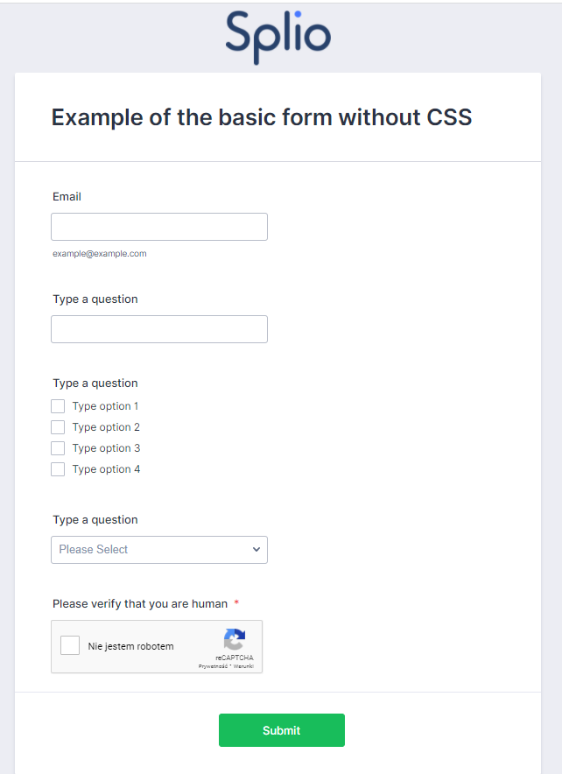
 |  |  | You will find additional information about each field on the right of the document as well as Screenshots
 |  |  | (in the ADDITIONAL INFORMATION Section)

GENERAL INFORMATION
GENERAL
 | Name of the universe |  |  |  |  |  |  | Unique Key of the universe ( ex. Email, contact id, customer id - unique value for each contact)
 |  |  |  |  |  |  |  | Email

2
 |  |  |  |  |  |  |  | Date of sending

 | Form distribution |  |  |  |  |  |  | (Only if external website) Show Captcha5
 | Email |  |  |  |  |  |  | Select

FORM CONTENT AND STYLE

3
 | card name (see an example on the right) |  |  |  |  |  |  | card name - title shown at card's browser

 | Submit button text1

 | Do you want Splio to create the graphic design of the form? |  |  |  |  |  |  |  |  | Do you want Splio to create the graphic design of the email?
 | Yes (Please provide us your logo in PNG file and colors you want to use) |  |  |  |  |  |  |  |  | Yes (Please provide us your logo in PNG file and colors you want to use)

FIELDS OF THE FORM

1
 | Label2 (what will appear on the form) |  |  | Mandatory |  | Field Type |  |  | Name of the system or custom field (taken from the list of fields on the universe) 10 |  |  |  | Predefined Value/Answer 3 (ex. a list of values in a dropdown)

1 | Example: First Name |  |  | Yes |  | Checkboxes (multiple answers) |  |  | FirstName

4
2 | Example: City |  |  | Yes |  | Text |  |  | city

3 | Example:Email |  |  | No |  | Email |  |  | email

4 | Example: What is you favourite dish in our restaurant? |  |  | No |  | Checkboxes (multiple answers) |  |  | FavDish |  |  |  | Spaghetti, Pizza, Lasagna

5 |  |  |  | No |  | Checkboxes (multiple answers)

SUBSCRIPTION LISTS (the lists the user should be subscribed to)

 |  |  |  |  |  |  | Example from the demo universe:

 | Name of the suscription list
1

2

 | The section underneath is OPTIONAL:

 | Activate double opt-in ? |  |  | Yes |  |  | Design ID on Splio platform of the second consent?

 | Send a reminder ? |  |  | Yes |  |  | Design ID on Splio platform of the reminder? |  |  |  |  |  |  | Send the reminder after |  | days

GDPR SECTION

 |  | GDRP Privacy policy text 4 |  |  | GDPR CheckBox label description5 |  |  |  |  |  |  |  |  |  | Example from the demo universe:
 |  |  |  |  |  |  |  |  |  |  | GDPR Consent field ID (custom field from the universe)

 |  |  |  |  |  |  |  |  |  |  | GDPR Consent date field ID (custom field from the universe) |  |  |  | Example from the demo universe:

 |  | Examples: - "Your data gathered by the company Splio (SAS, located at 27 boulevard des Italiens, 75002 Paris, France, RCS Paris 434 533 071) allows us to respond to your request for information on our products and services. Your data will be provided to our commercial and marketing department, will be kept for the time it takes to respond to your request and will not be transferred to third parties (except to Hubspot, third tool CRM). The legal basis of the treatment is legitimate interests. According to local laws on protection of personal data and European Union Regulation (UE) 2016/679, you have the right to access, rectify, restrict, object, erase your data and a right to portability, by sending your request to Splio at privacy@splio.com. More details on your rights can be found in our Personal Data Protection & Cookies Policy." - Find out more about your rights and how your data is managed |  |  | Examples: - I am aware that all the data submitted in this form will be processed by XYZ - I agree to receive information related to XYZ
THANK YOU PAGE (TYP)

 |  | Info about thank you page: We are not able to instanly check if email is already in the databse. Thus, we can't display the information to user that this email already exists in the database. We suggest provide the information such as "application is being processed" instead of "you have been added to the database".
 |  | Do you want Splio to create a TYP for you? |  |  |  |  |  |  |  |  |  | URL for your own TYP

 |  | No (Please provide us the URL for your TYP)

OTHER INFO SPLIO SHOULD KNOW

Enrichment or Survey
 |  |  |  |  |  |  |  |  |  | If any doubts, feel free to reach Marta Siwinska
 |  | How to fill the brief?

 |  | enrichment - this option is to fill/update some information in contact's fields

 |  |  | You will find additional information about each field on the right of the document as well as Screenshots
 |  |  | (in the ADDITIONAL INFORMATION Section)

GENERAL INFORMATION
GENERAL
 | Name of the universe |  |  |  |  | Unique Key of the universe ( ex. Email, contact id, customer id- unique value for each contact)

 | Form distribution |  |  |  |  | Date of sending
 | Email

FORM CONTENT AND STYLE

 | card name (see example on the right) |  |  |  |  | card name - title shown at card's browser

 | Submit button text1

2
 | Do you want Splio to create the graphic design of the form? |  |  |  |  |  |  | Do you want Splio to create the graphic design of the email?
 | Yes (Please provide us your logo in PNG file and colors you want to use) |  |  |  |  |  |  | Yes (Please provide us your logo in PNG file and colors you want to use)

FIELDS OF THE FORM

 | Label / Question 2 (what will appear on the form) |  |  | Mandatory | Field Type |  | Name of the system or custom field (taken from the list of fields on the universe) |  |  | Predefined Value 3 (ex. a list of values in a dropdown)

1 | Example: First name |  |  | Yes | Text |  | FirstName

2 | Example: City |  |  | Yes | Checkboxes (multiple answers) |  | City |  |  | Paris;Milan;Sao Paulo

3
3 |  |  |  | No | Date

4 |  |  |  | No | Date

5 |  |  |  | No | Date

GDPR SECTION (this section is optional)

 |  | GDRP Privacy policy text 4 |  | GDPR CheckBox label description (optional) |  |  |  |  |  |  | Example from the demo universe:
 |  |  |  |  |  |  |  | GDPR Consent field ID (custom field from the universe)

 |  |  |  |  |  |  |  | GDPR Consent date field ID (custom field from the universe) |  |  | Example from the demo universe:

4
1
 |  | Examples: - "Your data gathered by the company Splio (SAS, located at 27 boulevard des Italiens, 75002 Paris, France, RCS Paris 434 533 071) allows us to respond to your request for information on our products and services. Your data will be provided to our commercial and marketing department, will be kept for the time it takes to respond to your request and will not be transferred to third parties (except to Hubspot, third tool CRM). The legal basis of the treatment is legitimate interests. According to local laws on protection of personal data and European Union Regulation (UE) 2016/679, you have the right to access, rectify, restrict, object, erase your data and a right to portability, by sending your request to Splio at privacy@splio.com. More details on your rights can be found in our Personal Data Protection & Cookies Policy." - Find out more about your rights and how your data is managed |  | Examples: - I am aware that all the data submitted in this form will be processed by …. - I give my explicit consent to have my data processed by …
THANK YOU PAGE (TYP)

 |  | Thank you page will appear after clicking on the submit button. We can add some graphic elements to the text content. Examples: - Thank you for completing the form! - Thank you, your data has been successfully updated
 |  | Do you want Splio to create an FTP for you? |  |  |  |  |  |  | URL for your own TYP

 |  | No (Please provide us the URL for your TYP)

OTHER INFO SPLIO SHOULD KNOW

